QuestionA
Cory Nichols - Experimental Stats I

Six Steps:

1) State Hypothesis:

2) Draw normal curve, find and label t-crit values (Amy said we did not have to draw here in last week's lecture, we just need to ID t crit)
Assumption alpha of .05 on two tailed test

3) Find and label the test statistic (Amy said we did not have to draw here in last week's lecture, we just need just ID t stat)

4) Find the p-value (two sided)

5) Make a Decision
Using an equal variance t test we receive a two sided p value of less than .05. Therefore, we reject the null hypothesis that trauma patients and non-trauma patients metabolic rate is equal. On average, trauma patients metabolic rate is 9.7 kcal/kg/day higher than non-trauma patients.
However, in this case, due to skewness of the data and a significant f-test with a p of < .05, we can say that there is significant variance in the means of each population. Indeed, once the data are log transformed our p > f increases from a p of <.05 to a p
of 0.31. Our box plots (1) indicate this variance visually in the normal data set where the trauma patients have a larger median and a much longer tail to the right. In this case we would not want to use a pooled SD approach because we cannot consider our sample standard deviations equal, instead we
should conservatively use the unequal SD (welch) approach to our p value, which yields a p of 0.0018. Based on this result, we still reject the null hypothesis.

Another approach to make data behave is to log transform our data and continue analysis with a pooled SD approach. Variability would be reduced and we would be able to use the pooled SD approach, which still allows us to reject the null (p= 0.0004).

That being said, the skewness of the dataset and the small sample size should push us to use a different test in this situation. Log transforming the data does not reduce the skewness visually enough to be able to use the t-test
in this situation. (3) A permutation test on the median could be in order.

6) Write Your Conclusion in Human Terms
There is evidence to show that the mean metabolic rate of trauma patients is not equal to non-trauma patients. On average, trauma patients metabolic rate is 9.7 kcal/kg/day higher than non-trauma patients.
However, given the skewness of the data, we should re-evaluate our results using methods other than the t-test to confirm our conclusion.

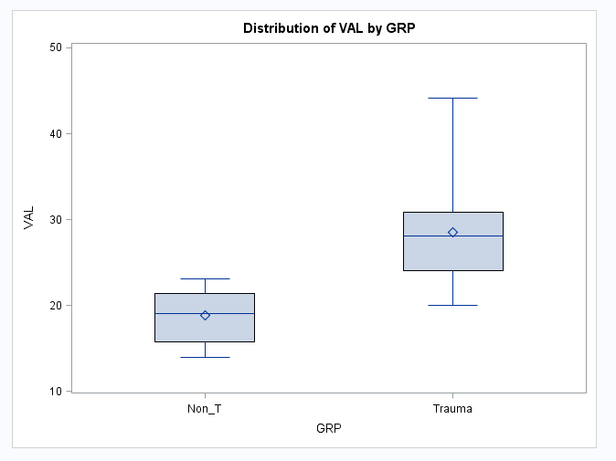
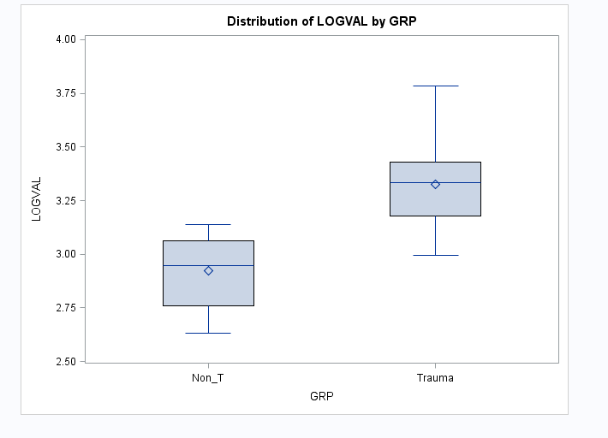
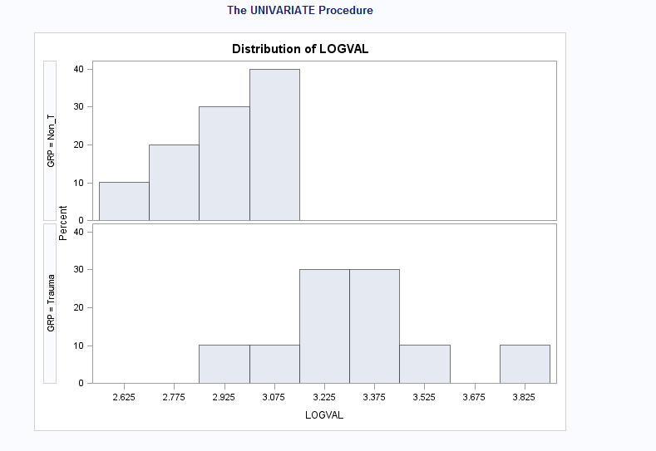
1 |  | 2 | 3

SAS CODE

DATA METABOLIC (replace = yes);
infile '\\Client\C$\Users\patrickcorynichols\Desktop\hw3.txt' FIRSTOBS = 1 DLM = ',';
input GRP VAL;
LOGVAL = LOG(VAL);
run;

/* test for normality using QQ */
proc univariate data=METABOLIC;
 | CLASS GRP;
 | VAR VAL LOGVAL;
 | qqplot;
run;
/* more looks at normality, variability using box plot */
PROC BOXPLOT data = METABOLIC;
 | plot LOGVAL*GRP;
 | plot VAL*GRP;
RUN;

proc univariate data = METABOLIC;
 | class GRP;
 | VAR VAL;
 | histogram;
RUN;

PROC TTEST DATA = METABOLIC ALPHA = .05 h0 = 0;
 | CLASS GRP;
 | VAR VAL;
RUN;

QuestionC
Cory Nichols Experimental Statistics I

(c) Suppose that the last value in the non-trauma group was mistakenly recorded as 231.0. How would the tests you carried out in (a) and (b) be affected by such an outlier?

If the last value in the non trauma group was mistakenly recorded as 231 we would throw the value out of the data set or correct if we have the correct data available.
The t test would be affected greatly in question A because the t-test is a comparison of means and means are not resistant to large changes in values on small sample set sizes. We would probably
see our conclusion flip if the outlier stayed in the data set as 231, e.g. non-trauma patients would have greater metabolic rates than trauma patients. We'd likely also have an insignificant p value.

In B, our permutation test would not be affected as we are using a resistant statistic: the median. The middle of our data set would stay the same (19.1) for
non-trauma patients if the value of 23.1 changed to 231. If we were testing the mean via permutation, however, the test would be greatly affected, just like the T test.

A QQ plot below shows the outlier value for group 0 (non trauma). A more appropriate approach could be to log transform these data or use a rank sum test instead of a standard t-test. We could also remove the outlier from our analysis when comparing means.
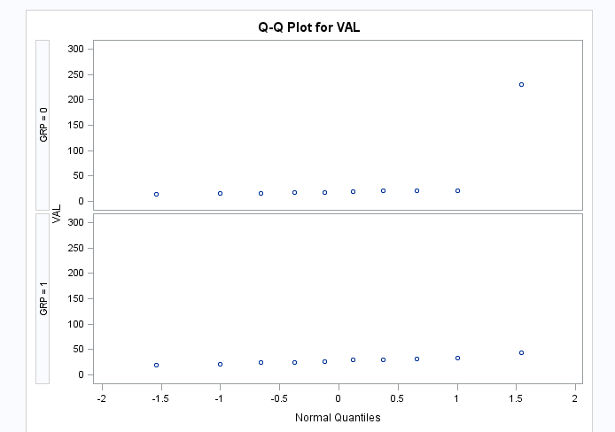

SAS Code:

proc univariate data=METABOLIC;
 | CLASS GRP;
 | VAR VAL;
 | qqplot;
run;

